Table 4
 |  |  |  |  |  |  |  |  |  |  |  | Growth rate per annum |  | Share
Million tonnes of carbon dioxide | 2013 | 2014 | 2015 | 2016 | 2017 | 2018 | 2019 | 2020 | 2021 | 2022 | 2023 | 2023 | 2013–23 | 2023
Canada | 559.3 | 564.5 | 559.4 | 546.9 | 561.2 | 574.2 | 562.4 | 502.2 | 511.3 | 525.0 | 519.5 | -1.0% | -0.7% | 1.5%
Mexico | 496.7 | 482.8 | 480.9 | 491.1 | 503.3 | 489.0 | 480.6 | 413.4 | 442.5 | 469.3 | 489.9 | 4.4% | -0.1% | 1.4%
US | 5246.9 | 5252.5 | 5137.8 | 5039.3 | 4980.3 | 5134.6 | 4982.8 | 4466.8 | 4755.3 | 4798.2 | 4639.7 | -3.3% | -1.2% | 13.2%
Total North America | 6302.9 | 6299.8 | 6178.1 | 6077.3 | 6044.9 | 6197.8 | 6025.8 | 5382.4 | 5709.2 | 5792.4 | 5649.1 | -2.5% | -1.1% | 16.1%
Argentina | 187.6 | 187.8 | 191.2 | 190.1 | 188.5 | 186.0 | 174.6 | 162.3 | 183.5 | 198.4 | 190.9 | -3.8% | 0.2% | 0.5%
Brazil | 487.0 | 511.7 | 494.8 | 455.9 | 461.7 | 442.1 | 435.5 | 408.3 | 461.6 | 443.4 | 451.0 | 1.7% | -0.8% | 1.3%
Chile | 88.9 | 87.2 | 87.4 | 92.2 | 93.9 | 93.5 | 94.8 | 85.1 | 93.8 | 93.0 | 86.5 | -7.0% | -0.3% | 0.2%
Colombia | 89.1 | 94.9 | 87.7 | 102.3 | 95.3 | 96.9 | 99.7 | 89.6 | 96.8 | 103.0 | 110.2 | 7.0% | 2.1% | 0.3%
Ecuador | 36.5 | 38.4 | 37.6 | 35.4 | 34.4 | 37.2 | 35.7 | 29.2 | 36.2 | 39.6 | 42.2 | 6.7% | 1.5% | 0.1%
Peru | 46.0 | 46.8 | 49.2 | 53.2 | 51.0 | 52.8 | 54.4 | 45.3 | 54.0 | 57.9 | 59.5 | 2.7% | 2.6% | 0.2%
Trinidad & Tobago | 25.1 | 24.7 | 23.8 | 21.5 | 20.7 | 19.6 | 19.0 | 16.4 | 15.5 | 15.8 | 15.2 | -3.7% | -4.9% | 0.0%
Venezuela | 186.1 | 181.7 | 172.1 | 159.2 | 149.9 | 123.8 | 111.3 | 77.7 | 93.6 | 104.7 | 120.8 | 15.5% | -4.2% | 0.3%
Central America | 60.1 | 61.8 | 68.7 | 71.6 | 72.1 | 72.9 | 80.7 | 63.7 | 72.4 | 75.0 | 81.0 | 8.0% | 3.0% | 0.2%
Other Caribbean | 103.8 | 105.5 | 110.0 | 112.8 | 109.6 | 112.1 | 111.5 | 101.2 | 101.4 | 101.0 | 106.9 | 5.9% | 0.3% | 0.3%
Other South America | 34.7 | 35.2 | 35.6 | 37.3 | 38.2 | 39.4 | 40.0 | 35.9 | 41.4 | 42.6 | 43.8 | 2.7% | 2.4% | 0.1%
Total S. & Cent. America | 1344.9 | 1375.9 | 1357.9 | 1331.5 | 1315.3 | 1276.3 | 1257.3 | 1114.8 | 1250.2 | 1274.3 | 1308.1 | 2.7% | -0.3% | 3.7%
Austria | 62.8 | 59.0 | 61.6 | 62.1 | 64.5 | 62.3 | 63.8 | 56.2 | 59.3 | 56.3 | 53.8 | -4.5% | -1.5% | 0.2%
Belgium | 117.3 | 109.0 | 115.2 | 116.9 | 118.8 | 125.5 | 121.8 | 105.3 | 113.9 | 109.7 | 103.3 | -5.8% | -1.3% | 0.3%
Bulgaria | 40.7 | 43.2 | 45.9 | 43.1 | 45.9 | 42.7 | 41.5 | 36.1 | 42.0 | 46.4 | 35.5 | -23.5% | -1.4% | 0.1%
Croatia | 16.1 | 15.8 | 16.2 | 16.7 | 17.1 | 16.3 | 16.3 | 14.9 | 15.7 | 16.0 | 16.0 | -0.1% | -0.1% | 0.0%
Cyprus | 7.3 | 7.3 | 7.5 | 8.1 | 8.3 | 8.2 | 8.2 | 7.0 | 7.2 | 7.7 | 7.6 | -0.5% | 0.5% | 0.0%
Czech Republic | 105.0 | 102.0 | 102.8 | 104.8 | 104.8 | 103.8 | 98.2 | 88.4 | 92.9 | 91.9 | 82.9 | -9.8% | -2.3% | 0.2%
Denmark | 43.0 | 39.2 | 36.7 | 38.0 | 35.5 | 35.8 | 32.6 | 27.4 | 28.8 | 29.8 | 28.4 | -4.5% | -4.1% | 0.1%
Estonia | 24.5 | 23.5 | 21.4 | 22.2 | 24.5 | 24.1 | 18.3 | 15.7 | 16.8 | 17.8 | 15.0 | -15.6% | -4.8% | 0.0%
Finland | 52.0 | 47.7 | 44.9 | 47.7 | 45.1 | 46.5 | 43.4 | 36.8 | 36.3 | 35.8 | 31.7 | -11.5% | -4.8% | 0.1%
France | 339.5 | 304.4 | 308.9 | 314.2 | 319.1 | 308.9 | 301.5 | 252.9 | 278.6 | 272.5 | 254.6 | -6.6% | -2.8% | 0.7%
Germany | 797.6 | 751.1 | 755.6 | 767.4 | 758.2 | 731.0 | 678.4 | 603.0 | 640.2 | 631.8 | 571.9 | -9.5% | -3.3% | 1.6%
Greece | 79.9 | 76.1 | 73.8 | 70.7 | 75.0 | 73.6 | 69.6 | 56.3 | 59.6 | 62.8 | 59.4 | -5.5% | -2.9% | 0.2%
Hungary | 42.0 | 41.3 | 43.8 | 44.7 | 46.9 | 47.3 | 47.1 | 44.6 | 46.0 | 43.3 | 39.1 | -9.6% | -0.7% | 0.1%
Iceland | 2.6 | 2.6 | 2.9 | 2.8 | 3.1 | 3.3 | 2.8 | 1.8 | 2.1 | 2.6 | 2.4 | -6.6% | -0.8% | 0.0%
Ireland | 37.5 | 37.2 | 38.7 | 40.4 | 39.3 | 39.1 | 37.6 | 33.4 | 35.5 | 36.2 | 34.0 | -6.3% | -1.0% | 0.1%
Italy | 341.4 | 318.8 | 334.4 | 331.4 | 335.5 | 336.1 | 328.6 | 286.3 | 318.2 | 324.9 | 301.3 | -7.3% | -1.2% | 0.9%
Latvia | 8.0 | 7.7 | 7.9 | 8.2 | 8.0 | 7.8 | 8.4 | 7.1 | 7.5 | 6.7 | 6.5 | -2.1% | -1.9% | 0.0%
Lithuania | 11.7 | 11.0 | 11.3 | 11.8 | 12.0 | 12.6 | 12.4 | 12.1 | 12.4 | 11.9 | 11.7 | -1.5% | 0.0% | 0.0%
Luxembourg | 10.9 | 10.5 | 10.1 | 10.0 | 10.3 | 10.8 | 10.9 | 9.0 | 9.7 | 8.6 | 8.3 | -3.8% | -2.7% | 0.0%
Netherlands | 211.4 | 202.5 | 207.6 | 208.0 | 204.3 | 198.2 | 193.7 | 173.1 | 176.9 | 164.8 | 156.1 | -5.3% | -3.0% | 0.4%
North Macedonia | 8.1 | 7.7 | 7.4 | 7.5 | 7.8 | 7.5 | 8.3 | 7.0 | 7.1 | 7.9 | 8.2 | 4.3% | 0.1% | 0.0%
Norway | 37.5 | 37.4 | 38.0 | 37.0 | 37.1 | 37.3 | 36.0 | 33.7 | 34.6 | 34.7 | 34.0 | -1.9% | -1.0% | 0.1%
Poland | 307.5 | 290.3 | 290.1 | 303.2 | 316.0 | 320.7 | 302.5 | 284.3 | 310.3 | 294.5 | 270.3 | -8.2% | -1.3% | 0.8%
Portugal | 48.8 | 48.0 | 52.6 | 52.0 | 57.3 | 54.3 | 50.3 | 40.5 | 39.1 | 42.2 | 39.7 | -5.7% | -2.0% | 0.1%
Romania | 70.4 | 70.7 | 71.5 | 69.1 | 72.6 | 72.2 | 70.7 | 64.5 | 69.6 | 64.8 | 59.9 | -7.7% | -1.6% | 0.2%
Slovakia | 32.6 | 30.0 | 30.4 | 30.8 | 32.9 | 32.3 | 30.0 | 27.8 | 31.3 | 28.4 | 27.6 | -2.6% | -1.6% | 0.1%
Slovenia | 14.1 | 12.6 | 12.7 | 13.6 | 13.9 | 13.9 | 13.3 | 11.9 | 12.1 | 11.6 | 10.4 | -10.5% | -3.0% | 0.0%
Spain | 273.5 | 271.1 | 286.9 | 279.4 | 297.1 | 291.4 | 274.6 | 221.4 | 242.3 | 260.3 | 246.8 | -5.2% | -1.0% | 0.7%
Sweden | 45.6 | 44.5 | 44.7 | 44.8 | 44.9 | 40.9 | 41.2 | 38.9 | 41.2 | 37.8 | 35.8 | -5.3% | -2.4% | 0.1%
Switzerland | 43.4 | 38.9 | 39.6 | 38.1 | 38.9 | 37.1 | 38.2 | 32.6 | 33.3 | 32.8 | 32.7 | -0.1% | -2.8% | 0.1%
Türkiye | 303.3 | 335.1 | 341.1 | 359.2 | 404.2 | 401.8 | 394.0 | 384.6 | 420.7 | 420.4 | 411.1 | -2.2% | 3.1% | 1.2%
Ukraine | 286.5 | 246.8 | 195.1 | 215.6 | 187.9 | 198.7 | 185.5 | 171.5 | 167.7 | 109.4 | 105.3 | -3.7% | -9.5% | 0.3%
United Kingdom | 499.0 | 458.0 | 440.9 | 413.8 | 403.6 | 397.1 | 381.8 | 320.9 | 339.4 | 341.1 | 327.3 | -4.1% | -4.1% | 0.9%
Other Europe | 113.3 | 102.3 | 111.7 | 116.5 | 120.4 | 119.4 | 119.9 | 117.9 | 118.2 | 119.8 | 118.3 | -1.3% | 0.4% | 0.3%
Total Europe | 4434.7 | 4203.5 | 4210.0 | 4250.1 | 4310.8 | 4258.5 | 4081.5 | 3625.0 | 3866.4 | 3783.0 | 3546.8 | -6.2% | -2.2% | 10.1%
Azerbaijan | 30.4 | 31.2 | 33.7 | 33.2 | 32.2 | 34.3 | 34.3 | 34.5 | 36.6 | 39.3 | 42.4 | 8.0% | 3.4% | 0.1%
Belarus | 60.0 | 59.1 | 54.8 | 54.9 | 55.6 | 60.5 | 60.8 | 55.8 | 57.0 | 55.1 | 52.5 | -4.8% | -1.3% | 0.1%
Kazakhstan | 210.8 | 218.0 | 175.2 | 197.0 | 211.3 | 218.6 | 217.0 | 199.3 | 221.8 | 220.9 | 221.2 | 0.1% | 0.5% | 0.6%
Russian Federation | 1548.8 | 1551.5 | 1520.8 | 1529.3 | 1516.9 | 1573.3 | 1557.1 | 1461.1 | 1512.4 | 1599.1 | 1614.7 | 1.0% | 0.4% | 4.6%
Turkmenistan | 58.2 | 62.0 | 68.9 | 76.0 | 69.8 | 78.5 | 74.4 | 94.0 | 93.4 | 95.4 | 93.9 | -1.6% | 4.9% | 0.3%
Uzbekistan | 109.4 | 114.0 | 107.6 | 103.6 | 105.4 | 109.0 | 108.9 | 110.8 | 115.7 | 120.7 | 120.1 | -0.5% | 0.9% | 0.3%
Other CIS | 25.3 | 27.5 | 28.9 | 29.3 | 29.8 | 33.3 | 31.3 | 31.9 | 33.6 | 32.9 | 34.1 | 3.6% | 3.0% | 0.1%
Total CIS | 2042.8 | 2063.2 | 1989.8 | 2023.5 | 2021.1 | 2107.5 | 2084.0 | 1987.2 | 2070.4 | 2163.3 | 2178.8 | 0.7% | 0.6% | 6.2%
Iran | 542.8 | 552.3 | 546.9 | 567.2 | 575.8 | 602.3 | 627.4 | 653.2 | 649.3 | 677.2 | 683.6 | 1.0% | 2.3% | 1.9%
Iraq | 114.1 | 112.3 | 110.6 | 118.8 | 140.4 | 144.5 | 151.5 | 134.7 | 141.9 | 159.9 | 168.2 | 5.2% | 4.0% | 0.5%
Israel | 66.8 | 64.0 | 66.7 | 66.0 | 66.5 | 67.1 | 69.1 | 62.9 | 63.4 | 67.2 | 65.5 | -2.5% | -0.2% | 0.2%
Kuwait | 93.2 | 90.0 | 97.1 | 96.3 | 96.7 | 100.3 | 91.1 | 85.2 | 91.3 | 92.1 | 93.9 | 2.0% | 0.1% | 0.3%
Oman | 65.2 | 64.7 | 69.0 | 69.5 | 72.2 | 74.9 | 74.6 | 70.1 | 76.6 | 82.3 | 85.1 | 3.4% | 2.7% | 0.2%
Qatar | 100.3 | 110.3 | 123.9 | 124.3 | 116.8 | 119.2 | 125.2 | 108.6 | 117.0 | 119.7 | 132.5 | 10.7% | 2.8% | 0.4%
Saudi Arabia | 526.0 | 565.1 | 601.8 | 634.5 | 631.2 | 612.4 | 576.3 | 556.9 | 572.2 | 609.4 | 620.4 | 1.8% | 1.7% | 1.8%
United Arab Emirates | 247.1 | 243.0 | 265.1 | 275.8 | 264.1 | 248.8 | 261.8 | 255.0 | 262.0 | 281.4 | 287.2 | 2.1% | 1.5% | 0.8%
Other Middle East | 134.2 | 135.2 | 124.8 | 120.3 | 122.7 | 123.1 | 121.2 | 115.1 | 119.8 | 118.3 | 121.8 | 3.0% | -1.0% | 0.3%
Total Middle East | 1889.8 | 1936.8 | 2006.0 | 2072.8 | 2086.4 | 2092.6 | 2098.2 | 2041.7 | 2093.6 | 2207.4 | 2258.3 | 2.3% | 1.8% | 6.4%
Algeria | 115.4 | 123.6 | 129.0 | 127.7 | 130.7 | 137.3 | 142.4 | 132.7 | 144.5 | 149.6 | 144.7 | -3.3% | 2.3% | 0.4%
Egypt | 202.7 | 201.6 | 204.2 | 216.6 | 221.6 | 217.7 | 209.6 | 189.7 | 221.2 | 235.6 | 232.1 | -1.5% | 1.4% | 0.7%
Morocco | 54.4 | 56.6 | 56.8 | 57.2 | 60.2 | 61.8 | 67.9 | 62.8 | 69.9 | 70.3 | 69.1 | -1.8% | 2.4% | 0.2%
South Africa | 463.0 | 467.4 | 455.3 | 474.4 | 470.5 | 452.4 | 474.9 | 448.9 | 444.8 | 425.7 | 425.0 | -0.1% | -0.9% | 1.2%
Eastern Africa | 90.7 | 101.8 | 106.0 | 105.0 | 114.3 | 121.1 | 117.7 | 109.6 | 119.0 | 114.3 | 116.8 | 2.2% | 2.6% | 0.3%
Middle Africa | 45.5 | 47.9 | 48.3 | 46.4 | 44.5 | 45.5 | 47.4 | 40.5 | 46.7 | 51.2 | 52.2 | 1.9% | 1.4% | 0.1%
Western Africa | 109.2 | 110.5 | 127.4 | 132.5 | 142.9 | 160.8 | 164.2 | 166.0 | 194.0 | 195.7 | 189.9 | -3.0% | 5.7% | 0.5%
Other Northern Africa | 75.2 | 74.8 | 67.9 | 69.6 | 74.4 | 75.6 | 76.4 | 68.8 | 82.3 | 86.7 | 89.6 | 3.3% | 1.8% | 0.3%
Other Southern Africa | 12.4 | 13.7 | 13.7 | 13.6 | 14.5 | 15.1 | 14.4 | 12.3 | 13.9 | 15.3 | 15.7 | 2.2% | 2.3% | 0.0%
Total Africa | 1168.5 | 1197.9 | 1208.5 | 1243.0 | 1273.5 | 1287.3 | 1314.8 | 1231.4 | 1336.2 | 1344.5 | 1335.1 | -0.7% | 1.3% | 3.8%
Australia | 395.6 | 399.2 | 407.4 | 406.0 | 404.3 | 402.5 | 406.9 | 376.5 | 369.2 | 377.0 | 376.1 | -0.2% | -0.5% | 1.1%
Bangladesh | 64.4 | 66.9 | 83.8 | 83.8 | 88.4 | 95.7 | 107.7 | 102.2 | 109.7 | 119.0 | 118.2 | -0.7% | 6.3% | 0.3%
China | 9214.1 | 9235.5 | 9172.9 | 9027.1 | 9274.3 | 9612.0 | 9923.8 | 10128.4 | 10543.8 | 10576.3 | 11218.4 | 6.1% | 2.0% | 31.9%
China Hong Kong SAR | 91.5 | 89.6 | 90.4 | 92.6 | 98.8 | 100.0 | 94.5 | 68.0 | 64.4 | 57.5 | 65.9 | 14.6% | -3.2% | 0.2%
India | 1896.2 | 2046.5 | 2114.3 | 2211.3 | 2287.9 | 2385.8 | 2411.4 | 2241.6 | 2469.9 | 2595.6 | 2814.3 | 8.4% | 4.0% | 8.0%
Indonesia | 439.2 | 448.6 | 465.0 | 463.8 | 483.9 | 521.6 | 565.7 | 522.5 | 528.6 | 704.4 | 701.4 | -0.4% | 4.8% | 2.0%
Japan | 1296.2 | 1261.5 | 1223.3 | 1202.0 | 1196.6 | 1174.2 | 1135.5 | 1046.0 | 1080.1 | 1081.2 | 1012.8 | -6.3% | -2.4% | 2.9%
Malaysia | 234.2 | 243.2 | 247.1 | 252.5 | 241.3 | 251.2 | 255.8 | 251.2 | 258.6 | 277.4 | 284.7 | 2.6% | 2.0% | 0.8%
New Zealand | 35.1 | 35.0 | 35.4 | 34.6 | 36.7 | 36.6 | 37.9 | 32.9 | 32.6 | 30.5 | 31.7 | 4.1% | -1.0% | 0.1%
Pakistan | 145.3 | 151.7 | 160.3 | 114.0 | 188.7 | 195.3 | 195.1 | 196.1 | 231.4 | 208.4 | 189.6 | -9.0% | 2.7% | 0.5%
Philippines | 91.9 | 96.8 | 105.9 | 115.9 | 128.4 | 132.8 | 139.9 | 126.8 | 134.3 | 140.7 | 152.6 | 8.4% | 5.2% | 0.4%
Singapore | 191.3 | 190.8 | 202.3 | 216.8 | 227.5 | 222.7 | 214.9 | 210.7 | 213.3 | 209.8 | 224.4 | 7.0% | 1.6% | 0.6%
South Korea | 620.0 | 615.0 | 622.8 | 633.2 | 641.8 | 659.1 | 635.3 | 588.1 | 603.2 | 592.9 | 571.2 | -3.7% | -0.8% | 1.6%
Sri Lanka | 15.9 | 19.9 | 20.4 | 24.1 | 25.9 | 25.4 | 26.6 | 24.7 | 23.6 | 20.4 | 21.1 | 3.7% | 2.9% | 0.1%
Taiwan | 268.5 | 275.4 | 275.7 | 280.9 | 286.9 | 284.8 | 279.3 | 265.7 | 281.1 | 273.3 | 265.5 | -2.9% | -0.1% | 0.8%
Thailand | 265.9 | 273.6 | 281.1 | 286.7 | 287.4 | 293.1 | 288.3 | 273.0 | 269.7 | 274.6 | 269.7 | -1.8% | 0.1% | 0.8%
Vietnam | 134.0 | 150.2 | 181.9 | 197.3 | 199.0 | 240.3 | 290.8 | 285.2 | 268.2 | 257.5 | 305.4 | 18.6% | 8.6% | 0.9%
Other Asia Pacific | 118.4 | 128.7 | 136.5 | 143.0 | 196.9 | 201.8 | 219.8 | 219.7 | 211.3 | 218.2 | 230.5 | 5.6% | 6.9% | 0.7%
Total Asia Pacific | 15517.7 | 15728.1 | 15826.7 | 15785.6 | 16294.7 | 16835.0 | 17229.1 | 16959.4 | 17693.0 | 18014.7 | 18853.5 | 4.7% | 2.0% | 53.7%
Total World | 32701.3 | 32805.2 | 32776.9 | 32783.7 | 33346.5 | 34055.0 | 34090.7 | 32341.8 | 34019.0 | 34579.6 | 35129.8 | 1.6% | 0.7% | 100.0%
of which: OECD | 12793.4 | 12572.9 | 12470.4 | 12394.5 | 12438.5 | 12528.9 | 12144.2 | 10876.4 | 11495.4 | 11556.7 | 11108.5 | -3.9% | -1.4% | 31.6%
Non-OECD | 19908.0 | 20232.3 | 20306.5 | 20389.2 | 20908.1 | 21526.1 | 21946.5 | 21465.5 | 22523.7 | 23022.9 | 24021.3 | 4.3% | 1.9% | 68.4%
European Union | 3147.7 | 2981.4 | 3040.5 | 3067.2 | 3117.0 | 3065.7 | 2924.9 | 2564.2 | 2751.8 | 2724.0 | 2517.6 | -7.6% | -2.2% | 7.2%
2
Note: The carbon emissions above reflect only those through consumption of oil, gas and coal for combustion related activities, and are based on ’Default CO Emissions Factors for Combustion’ listed by the IPCC in its Guidelines for National Greenhouse Gas Inventories (2006). This does not allow for any carbon that is sequestered, for other sources of carbon emissions, or for emissions of other greenhouse gases. Our data is therefore not comparable to official national emissions data.

Table 21
Exports Imports

China Middle East

Europe
Russian Federation
US Canada

US Other Asia Pacific

West Africa | India

S. & Cent. America | Japan

Other CIS Singapore
Asia Pacific North Africa Mexico | Canada Middle East S. & Cent. America Other CIS
Europe Africa
International trade of crude oil was 2.1 billion tonnes in 2023, similar to 2022. The Middle East dominated exports accounting for 41% of the total. Although the Russian Federation’s share dropped by 22 million tonnes, its share of the total remained the second highest at 11%. The US increased its share of total exports by 1%, rising to 9% |  | in 2023. On the import side, China was the single largest importer at 0.6 billion tonnes, 27% of the global total. Europe had the second highest share at 21%, followed by the US at 15%. Collectively, China and India increased their imports of Russian Federation crude oil by 53% whilst European reduced its imports by 72%.
Oil Inter-area movements 2023 crude trade
Crude (million tonnes) To
Total imports
25.0
† 323.8 20.7 436.6
7.7 18.0 23.2 12.4
8.4 563.9 231.0 125.5 42.3 288.5 2127.1
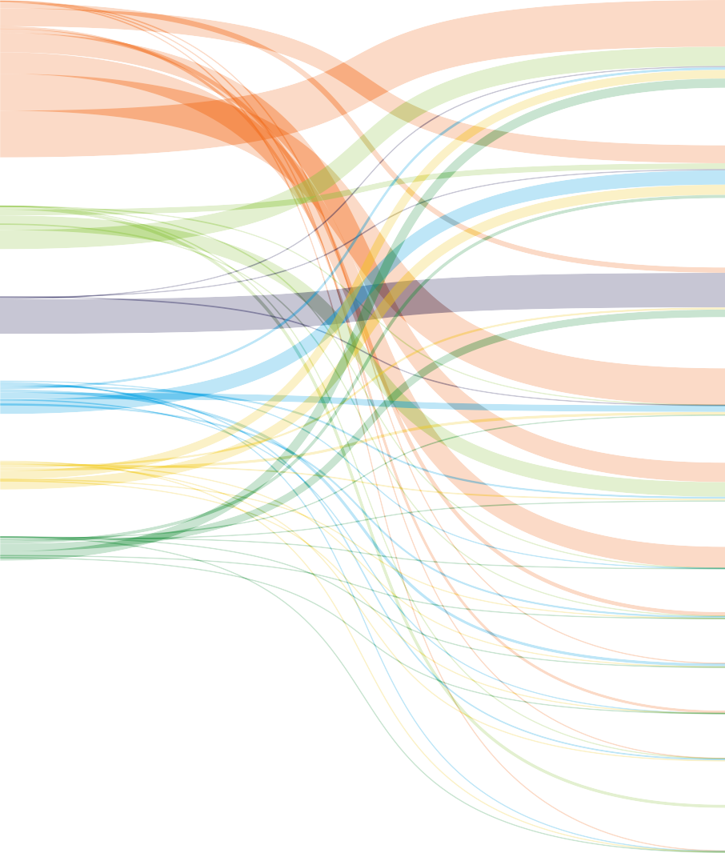

Canada – – 192.9 – 6.7 – – – † – 7.5 – – – 0.1 207.2 Mexico – – 36.5 † 8.0 – – – – – 1.6 3.4 – – 4.3 53.8 US 16.9 – – 9.6 80.4 – – 0.1 0.7 1.4 14.3 11.3 2.4 11.6 36.5 185.0 S. & Cent. America 0.6 † 42.9 – 18.2 7.6 † 2.9 1.0 † 52.1 7.0 1.9 2.5 4.5 141.2 Europe 0.2 – 2.3 0.1 – – † † 0.3 † 3.1 5.1 – 0.2 0.8 12.1 Russian Federation – – † 0.3 32.4 – 18.0 – † – 107.0 81.8 0.1 0.3 0.9 240.8 Other CIS – – 1.6 0.1 72.7 † – 2.4 0.8 † 6.4 0.4 – 0.1 6.7 91.4 Iraq
† Less than 0.05. Notes: Does not include biofuels trade. Bunker fuel use is not included as exports. Intra-area movements (for example, between countries within Europe) are excluded. Crude imports and exports include condensates.

S. &
Russian
From
Canada Mexico
US Cent. Europe Federation America
Other Middle
CIS East
Other Asia
Africa Australasia China India Japan Singapore Pacific Total

Exports Imports

Table 22
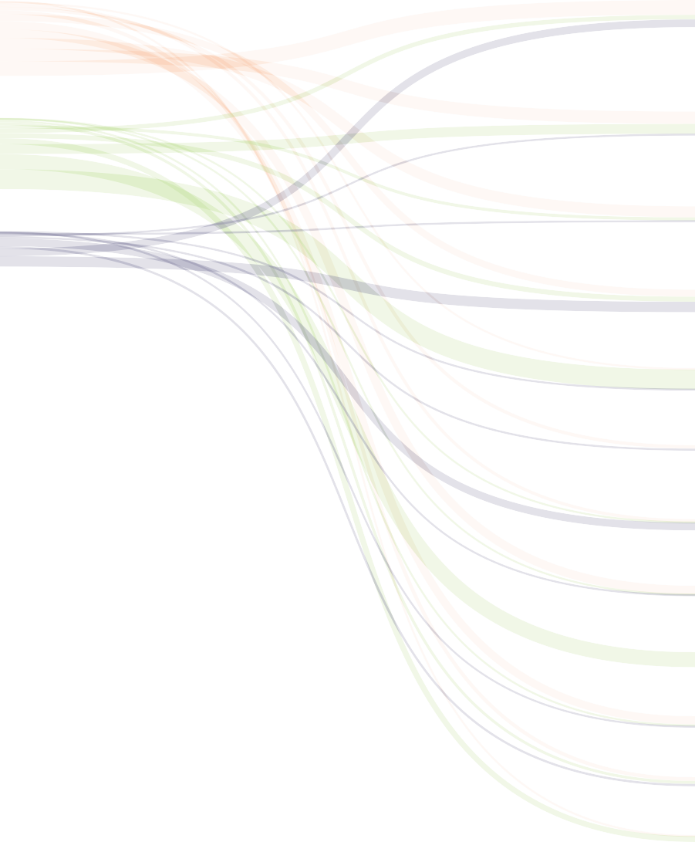
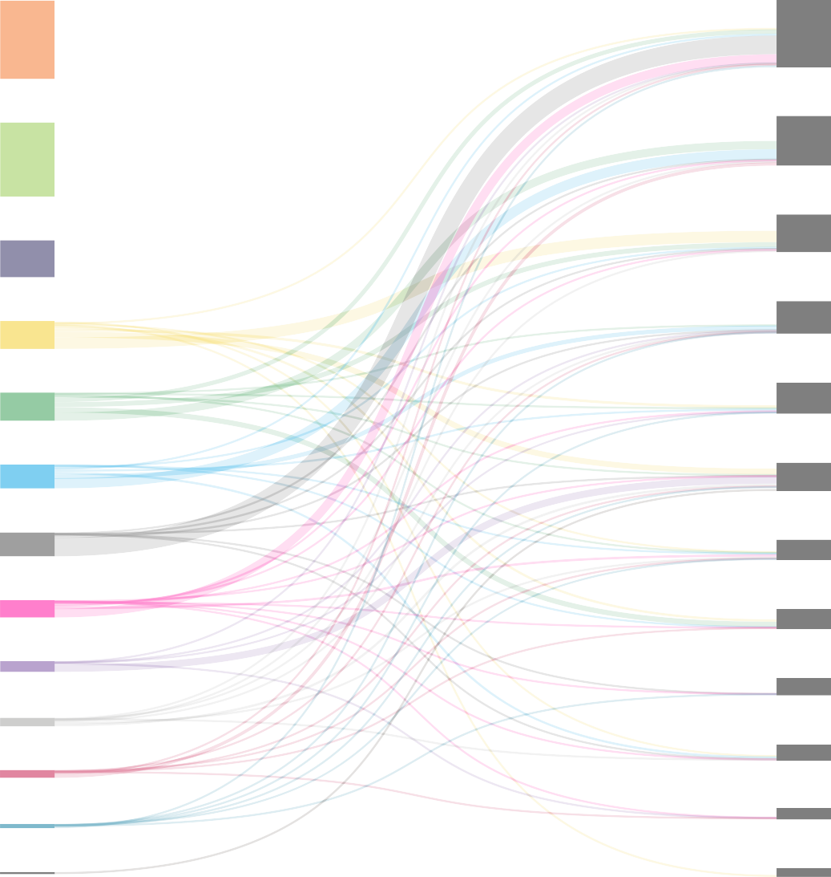
Middle East | Other Asia Pacific
Europe US
Africa Other Asia Pacific
China Europe
India | S. & Cent. America
Russian Federation US
Singapore | Singapore
China | Middle East
Canada S. & Cent. America North Africa Japan | Mexico India Japan
Mexico At 1.2 billion tonnes, international trade of refined product was around 57% that of crude oil trade in terms of volume and similar to 2022 levels. Between them, the Middle East and the US accounted for 44% of the total exports at 0.27 and 0.26 billion tonnes respectively. At 0.5 billion tonnes, | Canada Asia Pacific region accounted for around 43% of total imports. Europe was the second-largest importer of refined products at 0.2 billion tonnes, 16% of the total. It reduced its imports from the Russian Federation by 51%.
Oil Inter-area movements 2023 refined product
Product (million tonnes) To
S. &
Russian
From
Canada Mexico
US Cent. Europe Federation America
Other Middle
CIS East
Other Asia
Africa Australasia China India Japan Singapore Pacific Total
Total imports
27.3 58.8 97.5 105.9 193.4
1.3 9.0 69.7 133.0 54.9 114.4 54.0 38.8 72.2 185.2 1215.5
Canada – 0.1 26.3 1.7 0.5 – † † † † 0.6 0.2 2.2 † 0.9 32.3 Mexico † – 8.5 0.1 0.2 – – † 0.1 † † † † 0.4 † 9.2 US 22.0 55.7 – 73.5 37.0 † † 1.7 12.2 1.2 19.1 8.1 10.7 1.3 15.5 258.0 S. & Cent. America 0.1 0.1 9.2 – 3.1 † † 0.5 2.3 † 4.4 0.8 0.4 5.9 1.0 27.9 Europe 4.2 0.3 21.1 10.0 – 0.2 2.0 9.4 40.6 † 1.9 2.0 0.5 4.4 3.8 100.3 Russian Federation † – – 7.6 37.5 – 6.7 1.1 4.7 – 16.2 8.7 – 2.8 5.6 90.9 Other CIS † – 0.3 0.1 12.8 0.8 – 0.1 0.7 – 0.7 – † 0.3 0.2 15.9 Ir
† Less than 0.05. Notes: Does not include biofuels trade. Bunker fuel use is not included as exports. Intra-area movements (for example, between countries within Europe) are excluded. Crude imports and exports include condensates.

Table 30
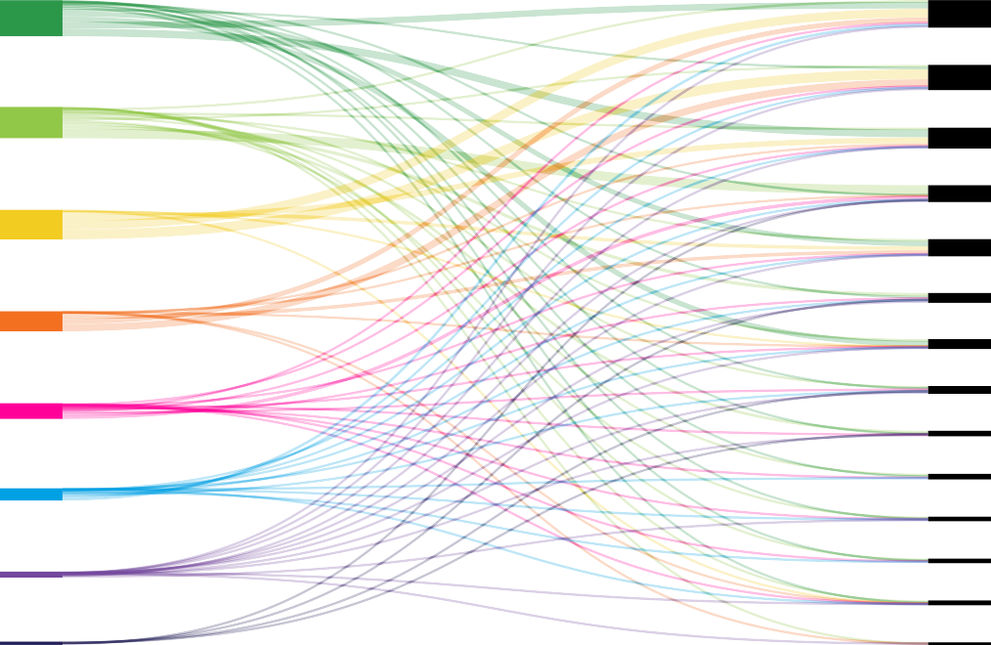
Exports Imports
Middle East US Australia Other Asia Pacific Africa Russian Federation S & Cent America Norway |  |  |  |  |  |  |  |  |  |  | China Japan Other Asia Pacific Other Europe South Korea France India Spain United Kingdom Italy S & Cent America Belgium Middle East & Africa North America
Notes: As far as possible, the data above represents standard cubic metres (measured at 15ºC and 1013 mbar) and has been standardised using a gross calorific value (GCV) of 40 MJ/m3.
International gas trade has been fluctuating between 900-1,000 bcm since 2017, with an overall fall of 2.7% to 936 bcm in 2023. LNG exports rose 1.8% to 549 bcm. LNG now accounts for nearly 59% of all globally traded gas. The US overtook both Australia and Quatar to become the world’s largest exporter of LNG. Collectively they represented 64% of total LNG exports. China overtook |  |  |  |  |  |  |  |  |  |  | Japan to become the largest importer of LNG with one-third of its imports coming from Australia. Collectively, the Asia Pacific region accounted for 64% of all LNG imports. Europe increased its imports from the US by 6% whilst its LNG imports from the Russian Federation remained relatively stable at around 19 bcm.
Natural gas Trade movements 2023 as LNG*
From
Billion cubic metres To
Canada Mexico US | † 0.4 – | 0.1 0.1 0.2 – – 0.3 |  | – – 0.1 | – – – | – – – | – – – | – – – | – – – | – – – |  | – – – | – – – | – – – | – – – | – – – | – – – | – – – | – – – | – 0.3 – | – – – | – – – | – – – | 0.2 0.9 0.5
North America | 0.4 | 0.3 | 0.5 | 0.1 | – | – | – | – | – | – |  | – | – | – | – | – | – | – | – | 0.3 | – | – | – | 1.6
Argentina | 2.1 | – | 0.2 | – | – | † | – | – | 0.2 | – |  | – | 0.1 – |  | 0.1 | 0.1 | 0.1 | – | – | – | – | – | – | 2.7
Brazil | 1.0 | – | † | – | – | 0.1 | 0.1 | – | – | – |  | – | 0.1 – |  | – | – | – | – | – | – | – | – | – | 1.3
Chile | 0.9 | – | 2.0 | – | – | † | – | – | – | – |  | – | – – |  | 0.1 | – | 0.6 | – | – | – | – | – | – | 3.6
Other S. & Cent. America | 3.5 | 0.2 | 1.9 | 0.7 | – | 0.4 | – | – | – | – |  | – | – – |  | – | 1.4 | 0.1 | † | – | – | – | – | – | 8.2
S. & Cent. America | 7.5 | 0.2 | 4.1 | 0.7 | – | 0.5 | 0.1 | – | 0.2 | – |  | – | 0.2 – |  | 0.1 | 1.5 | 0.8 | † | – | – | – | – | – | 15.8
Belgium | 2.6 | – | – | – | † † |  | 3.9 | – 4.6 |  | – |  | – | 0.2 0.3 |  | 0.1 | 0.1 | 0.1 | – | – | – | – | – | † | 11.8
France | 13.2 | 0.4 | 0.4 | – | 1.2 0.1 |  | 4.8 | 0.1 2.3 |  | – |  | – | 5.6 0.9 |  | 0.2 | 0.6 | 0.9 | – | – | – | – | – | † | 30.7
Italy | 5.3 | – | – | – | – 0.8 |  | 0.3 | – 6.7 |  | – |  | – | 2.3 – |  | 0.3 | 0.3 | 0.4 | – | – | – | – | – | – | 16.3
Spain | 7.4 | 0.5 | 0.5 | 0.1 | 0.3 0.1 |  | 6.5 | 0.3 1.3 |  | – |  | – | 1.8 0.3 |  | 0.4 | 4.8 | 0.6 | † | – | – | – | – | – | 24.9
Türkiye | 3.8 | – | 0.2 | 0.2 | 0.3 0.8 |  | 1.4 | 0.1 – |  | – |  | – | 6.1 – |  | 1.3 | 0.5 | 0.1 | – | – | – | – | – | – | 14.8
United Kingdom | 11.6 | 2.1 | 0.4 | – | 0.4 † |  | – | – 2.8 |  | – |  | – | 0.5 0.8 |  | 0.3 | 0.5 | – | – | – | – | – | – | – | 19.4
Other European Union | 32.4 | 0.1 | 2.7 | † | 3.2 0.4 |  | 2.5 | 0.3 3.2 |  | 0.1 |  | – | 0.7 1.4 |  | 0.6 | 2.5 | 0.7 | – | – | 0.1 | – | – | 0.2 | 51.0
Rest of Europe | – | – | – | – | – 0.1 |  | 0.1 | – – |  | – |  | – | – – |  | – | – | – | – | – | – | – | – | – | 0.1
Europe | 76.2 | 3.1 | 4.2 | 0.3 | 5.5 | 2.3 | 19.4 | 0.8 | 20.8 | 0.1 |  | – | 17.2 | 3.7 | 3.2 | 9.3 | 2.7 | † | – | 0.1 | – | – | 0.2 | 169.1
Egypt | – | – | – | – | – | – | – | – – |  | – |  | – | – – |  | – | – | – | – – |  | † | – | – | – | †
Kuwait | 0.9 | – | 0.2 | – | – | – | 0.1 | 0.5 5.2 |  | 0.1 |  | – | 0.1 – |  | – | 1.2 | 0.3 | 0.1 – |  | – | 0.2 | – | 0.1 | 8.9
United Arab Emirates | – | – | – | – | – | – | – | – 1.1 |  | – |  | – | – – |  | – | – | – | – – |  | – | – | – | – | 1.1
Other Middle East & Africa | 0.1 | – | – | – | – | † | – | 0.1 – |  | – |  | – | – – |  | – | – | – | – – |  | – | – | – | † | 0.2
Middle East & Africa | 1.0 | – | 0.2 | – | – | † | 0.1 | 0.6 | 6.2 | 0.1 |  | – | 0.1 – |  | – | 1.2 | 0.3 | 0.1 – |  | † | 0.2 | – | 0.1 | 10.2
China | 4.3 | 0.2 0.5 |  | † | – | 0.2 | 11.0 | 1.4 | 22.9 | 1.0 |  | – | 0.5 – |  | 0.4 | 1.6 | 1.2 | 33.0 1.0 |  | 5.5 | 9.7 | 3.5 | † | 97.8
India | 4.4 | – 0.4 |  | – | – | 0.6 | 0.6 | 1.1 | 15.0 | 4.5 |  | – | 0.5 1.0 |  | 0.3 | 1.0 | 1.2 | 0.5 – |  | – | – | – | 0.1 | 31.0
Japan | 7.5 | 0.3 0.1 |  | – | – | 0.1 | 8.4 | 3.0 | 4.0 | 1.1 |  | – | 0.1 – |  | 0.2 | 0.3 | 0.4 | 37.5 3.4 |  | 4.1 | 14.3 | 5.2 | 0.3 | 90.3
Malaysia | – | – – |  | – | – | – | – | – | – | – |  | – | – – |  | – | – | – | 2.9 0.3 |  | – | – | – | – | 3.2
Pakistan | 0.1 | – 0.1 |  | – | – | – | – | 0.1 | 8.8 | – |  | – | – – |  | 0.1 | 0.6 | – | – – |  | 0.3 | – | – | – | 10.1
Singapore | 0.6 | – 0.1 |  | – | – | † | 0.1 | – | 1.8 | – |  | – | – – |  | † | – | 0.3 | 3.6 – |  | 0.2 | 0.1 | – | † | 6.8
South Korea | 7.1 | 1.0 † |  | – | – | 0.1 | 2.3 | 6.9 | 11.8 | 0.6 |  | – | 0.2 – |  | 0.4 | 0.8 | 0.8 | 14.3 0.7 |  | 4.0 | 8.3 | 0.9 | 0.5 | 60.6
Taiwan | 2.7 | 0.2 – |  | – | – | – | 0.8 | 0.5 | 7.6 | 0.2 |  | – | – – |  | 0.1 | 0.4 | 0.1 | 11.0 0.4 |  | 0.6 | 0.9 | 2.0 | – | 27.4
Thailand | 1.6 | – 0.3 |  | – | – | – | – | 0.8 | 3.9 | – |  | – | 0.1 – |  | – | 0.4 | 1.3 | 3.8 0.5 |  | 0.6 | 2.6 | – | 0.3 | 16.1
Other Asia Pacific | 0.9 | – 0.1 |  | – | – | – | – | 0.2 | 5.3 | 0.1 |  | – | 0.3 0.3 |  | 0.2 | 0.3 | 0.2 | 0.8 – |  | 0.3 | 0.3 | – | 0.1 | 9.2
Asia Pacific | 29.3 | 1.7 | 1.5 | † | – | 0.9 | 23.1 | 14.0 | 81.1 | 7.5 |  | – | 1.6 | 1.3 | 1.6 | 5.5 | 5.5 | 107.3 6.2 |  | 15.7 | 36.1 | 11.5 | 1.2 | 352.5
Total exports | 114.4 | 5.3 | 10.5 | 1.1 | 5.5 | 3.7 | 42.7 | 15.3 | 108.4 | 7.7 |  | – | 19.0 | 4.9 | 4.9 | 17.5 | 9.2 | 107.4 6.2 |  | 16.1 | 36.3 | 11.5 | 1.5 | 549.2
Source: Includes data from GIIGNL, S&P Global Commodity Insights. * Includes re-exports. † Less than 0.05. Note: As far as possible, the data above represents standard cubic metres (measured at 15ºC and 1013 mbar) and has been standardised using a gross calorific value (GCV) of 40 MJ/m3.

Exports Imports

Table 31
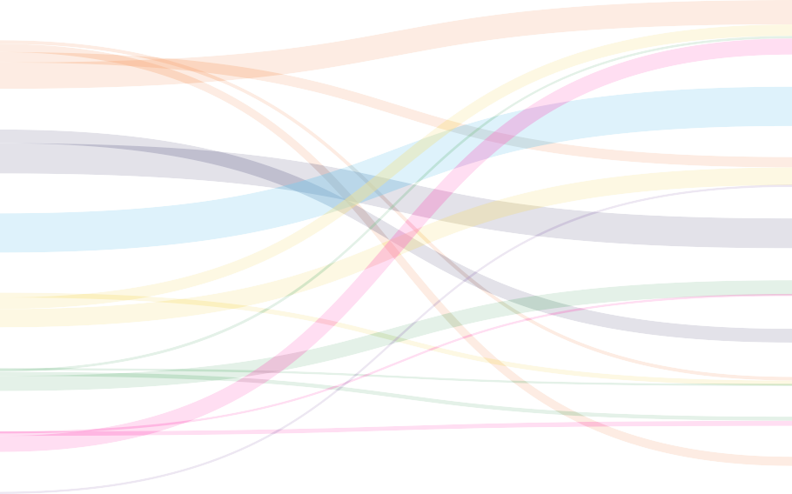
Norway Other Europe
Russian Federation

US

US China

Canada Mexico
Other CIS | Middle East Canada

Middle East | Other CIS
Africa | Africa Belarus
Asia Pacific Other Asia Pacific
Notes: As far as possible, the data above represents standard cubic metres (measured at 15ºC and 1013 mbar) and has been standardised using a gross calorific value (GCV) of 40 MJ/m3. Source: Includes data from FGE MENA gas service, IHS.
In 2023, pipeline trade of natural gas continued to decline falling 8% to 388 bcm. The fall in supply was most noticeable in the Russian Federation which saw its exports fall by 24% to 95 bcm. The global balance between LNG and pipeline trade is now almost the complete inverse of the position back in 2017 with pipeline gas now accounting for only 41% of traded gas. Norway remains the largest |  |  |  |  |  |  |  |  |  |  | supplier of pipeline gas to its European counterparts where imports from the Russian Federation fell by 42% to 50 bcm. Although Russian Federation pipeline exports experienced an overall decline, building on the 62% fall in 2022, its exports to China increased 45% to just over 21 bcm and by 53% to other CIS countries to 7 bcm.
Natural gas Trade movements 2023 by pipeline
From
Billion cubic metres To
Canada | – | – | 28.0 | – | – | – | – | – | – | – |  | – | – | – | – | – | – | – | – | – | – | – | – | 28.0
Mexico | – | – | 61.1 | – | – | – | – | – | – | – |  | – | – | – | – | – | – | – | – | – | – | – | – | 61.1
US | 79.0 | † | – | – | – | – | – | – | – | – |  | – | – | – | – | – | – | – | – | – | – | – | – | 79.0

Argentina | – | – | – | 2.2 – |  | – | – | – | – | – |  | – | – | – | – | – | – | – | – | – | – | – | – | 2.2
Brazil | – | – | – | 5.4 – |  | – | – | – | – | – |  | – | – | – | – | – | – | – | – | – | – | – | – | 5.4
Other S. & Cent. America | – | – | – | – 1.6 |  | – | – | – | – | – |  | – | – | – | – | – | – | – | – | – | – | – | – | 1.6

European Union | – | – | – | – | – | 18.0 | 85.1 | 95.6 | 11.7 | – |  | 25.7 | – | – | – – |  | – | 30.6 | 2.4 | – | – | – | – | 269.1
Rest of Europe | – | – | – | – | – | 0.2 | 25.5 | 4.8 | 11.9 | – |  | 24.1 | – | – | 5.2 – |  | – | – | – | – | – | – | – | 71.7

Belarus | – | – | – | – | – | – | – | – | – | – |  | 16.8 | – | – | – – |  | – | – | – | – | – | – | – | 16.8
Kazakhstan | – | – | – | – | – | – | – | – | – | – |  | 0.2 | 0.4 | – | – – |  | – | – | – | – | – | – | – | 0.6
Russian Federation | – | – | – | – | – | – | – | – | 0.3 | 0.7 |  | – | 4.7 | – | – – |  | – | – | – | – | – | – | – | 5.7
Other CIS | – | – | – | – | – | – | – | 0.2 | – | – |  | 7.3 | 3.9 | † | 0.4 – |  | – | – | – | – | – | – | – | 11.9

United Arab Emirates | – | – | – | – | – | – | – | – | – | – |  | – | – | – | – | 18.0 | – | – | – | – | – | – | – | 18.0
Other Middle East | – | – | – | – | – | – | – | – | † | – |  | – | – | – | 8.8 | 1.5 | 2.8 | – | – | 0.6 | – | – | – | 13.6

South Africa | – | – | – | – | – | – | – | – | – | – |  | – | – | – | – | – | – | – | – | 4.1 | – | – | – | 4.1
Other Africa | – | – | – | – | – | – | – | 0.9 | – | – |  | – | – | – | – | – | 8.4 | 3.9 | – | 1.0 | – | – | – | 14.2

Australia | – | – | – | – | – | – | – | – | – | – |  | – | – | – | – | – | – | – | – | – | – – |  | 0.9 | 0.9
China | – | – | – | – | – | – | – | – | – | 4.6 |  | 21.3 | 30.5 | 1.2 | – | – | – | – | – | – | – 3.7 |  | – | 61.3
Malaysia | – | – | – | – | – | – | – | – | – | – |  | – | – | – | – | – | – | – | – | – | 0.4 – |  | – | 0.4
Singapore | – | – | – | – | – | – | – | – | – | – |  | – | – | – | – | – | – | – | – | – | 4.1 – |  | 2.1 | 6.2
Thailand | – | – | – | – | – | – | – | – | – | – |  | – | – | – | – | – | – | – | – | – | – 5.4 |  | – | 5.4

Total exports | 79.0 | † | 89.1 | 7.6 | 1.6 | 18.2 | 110.7 | 101.4 | 23.9 | 5.3 |  | 95.4 | 39.5 | 1.2 | 14.3 | 19.5 | 11.1 | 34.5 | 2.4 | 5.7 | 4.5 | 9.0 | 3.0 | 677.0
Source: Includes data from FGE MENA gas service, S&P Global Commodity Insights. Note: As far as possible, the data above represents standard cubic metres (measured at 15°C and 1013 mbar) and has been standardized using a gross calorific value (GCV) of 40 MJ/m3. † Less than 0.05.

Table 34
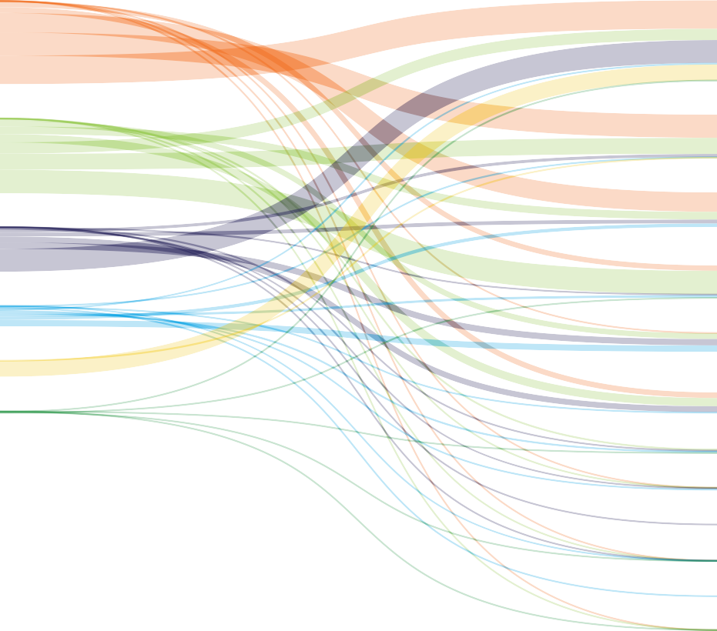
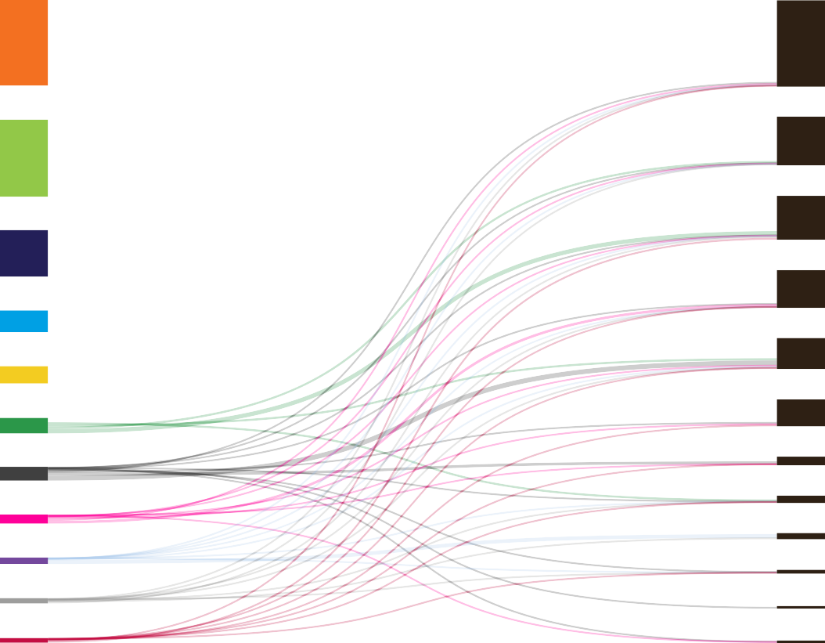
Exports Imports
Indonesia |  |  |  |  |  |  |  | China
Australia |  |  |  |  |  |  |  | Other Asia Pacific
Russian Federation US Mongolia South Africa Colombia Canada Other CIS Other Africa Other Asia Pacific |  |  |  |  |  |  |  | India Japan Europe South Korea S. & Cent. America Africa CIS Middle East Canada US
Notes: Commercial solid fuels only, i.e. bituminous coal and anthracite (hard coal), and lignite and brown (sub-bituminous) coal, and other commercial solid fuels. Intra-area movements (for example, between countries in Europe) are excluded.
Overall, international coal trade increased by almost 10% in 2023 reaching its highest level since 2018. Indonesia, Australia, and the Russian Federation were jointly responsible for around 70% of total global exports with Indonesia alone accounting for around 40% of that (over a quarter of total global exports). China was by far the largest importer of coal |  |  |  |  |  |  |  | at around 10 EJ, almost double that of India, the second- highest ranked country. Russian Federation exports increased by 1.5% with China accounting for just over half of its overseas markets. Overall, the Asia Pacific region accounted for 82% of global coal imports. Europe’s imports fell to their lowest level since 2000.
Coal Inter-area movements 2023
From To
Exajoules | Canada | Mexico | US | S. & Cent. America | Europe | CIS | Middle East |  | Africa | China | India | Japan | South Korea | Other Asia Pacific | Total
Canada | – | † | 0.02 | 0.02 | 0.09 | – | † |  | † | 0.22 | 0.05 | 0.32 | 0.20 | 0.06 | 0.99
US | 0.15 | 0.01 | – | 0.25 | 0.76 | † | 0.01 |  | 0.19 | 0.18 | 0.42 | 0.30 | 0.13 | 0.07 | 2.47
Colombia | 0.04 | 0.06 | 0.07 | 0.34 | 0.59 | – | 0.11 |  | 0.02 | 0.12 | 0.01 | 0.04 | 0.15 | 0.03 | 1.59
Europe | † | † | 0.01 | 0.01 | – | † | 0.01 |  | 0.08 | 0.01 | 0.10 | † | † | 0.01 | 0.23
Russian Federation | – | – | – | 0.04 | 0.77 | 0.04 | 0.01 |  | 0.13 | 2.75 | 0.48 | 0.09 | 0.71 | 0.38 | 5.39
Other CIS | – | – | † | – | 0.16 | 0.46 | 0.01 |  | 0.01 | 0.01 | † | † | † | 0.01 | 0.65
South Africa | † | – | † | 0.02 | 0.27 | – | 0.07 |  | 0.26 | 0.05 | 0.52 | 0.09 | 0.18 | 0.28 | 1.74
Other Africa | – | – | † | – | 0.04 | – | 0.03 |  | 0.10 | 0.02 | 0.21 | † | 0.05 | 0.08 | 0.53
Australia | † | † | † | 0.25 | 0.68 | – | 0.01 |  | 0.02 | 1.36 | 0.92 | 2.83 | 0.99 | 1.94 | 9.00
China | † | 0.01 | † | 0.02 | 0.03 | † | 0.01 |  | 0.01 | – | 0.02 | 0.03 | 0.01 | 0.16 | 0.31
Indonesia | † | – | † | † | 0.10 | – | † |  | † | 3.43 | 2.33 | 0.65 | 0.68 | 2.79 | 10.00
Mongolia | – | – | – | – | † | † | – |  | – | 1.92 | – | – | † | 0.04 | 1.96
Other Asia Pacific | † | † | † | 0.01 | 0.03 | † | † |  | † | 0.08 | 0.23 | 0.02 | 0.08 | – | 0.46
Rest of World | † | † | † | 0.01 | 0.02 | † | † |  | † | 0.01 | 0.05 | † | 0.01 | 0.01 | 0.13
Total imports | 0.19 | 0.08 | 0.11 | 0.96 | 3.56 | 0.50 | 0.27 |  | 0.82 | 10.16 | 5.35 | 4.39 | 3.19 | 5.86 | 35.43
Note: Commercial solid fuels only, i.e. bituminous coal and anthracite (hard coal), and lignite and brown (sub-bituminous) coal, and other commercial solid fuels. Intra-area movements (for example, between countries in Europe) are excluded. † Less than 0.05%.

Table 44
 |  |  |  |  |  |  |  |  |  |  |  | Growth rate per annum |  | Share
Megawatts | 2013 | 2014 | 2015 | 2016 | 2017 | 2018 | 2019 | 2020 | 2021 | 2022 | 2023 | 2023 | 2013–23 | 2023
Canada | 7801 | 9694 | 11214 | 11973 | 12250 | 12816 | 13220 | 13735 | 14259 | 15265 | 16989 | 11.3% | 8.1% | 1.7%
Mexico | 2122 | 2569 | 3271 | 4051 | 4180 | 4180 | 6541 | 6995 | 7155 | 7318 | 7318 | ^ | 13.2% | 0.7%
US | 60198 | 64430 | 72767 | 81502 | 87831 | 94666 | 103836 | 118664 | 133019 | 141674 | 148020 | 4.5% | 9.4% | 14.6%
Total North America | 70121 | 76693 | 87252 | 97526 | 104261 | 111662 | 123597 | 139394 | 154433 | 164257 | 172327 | 4.9% | 9.4% | 16.9%
Argentina | 163 | 188 | 188 | 188 | 228 | 751 | 1609 | 2624 | 3292 | 3310 | 3706 | 12.0% | 36.7% | 0.4%
Brazil | 2202 | 4888 | 7633 | 10129 | 12304 | 14843 | 15438 | 17198 | 21161 | 24163 | 29135 | 20.6% | 29.5% | 2.9%
Chile | 295 | 732 | 907 | 1034 | 1305 | 1524 | 1620 | 2340 | 3137 | 3830 | 4510 | 17.8% | 31.4% | 0.4%
Costa Rica | 148 | 196 | 278 | 319 | 378 | 408 | 411 | 394 | 390 | 390 | 408 | 4.5% | 10.7% | ^
Uruguay | 59 | 481 | 857 | 1211 | 1513 | 1513 | 1516 | 1516 | 1516 | 1516 | 1516 | ^ | 38.3% | 0.1%
Other S. & Cent. America | 675 | 962 | 1346 | 1569 | 1635 | 1864 | 2080 | 2147 | 2275 | 2519 | 2742 | 8.9% | 15.1% | 0.3%
Total S. & Cent. America | 3542 | 7448 | 11209 | 14451 | 17363 | 20903 | 22675 | 26220 | 31772 | 35729 | 42018 | 17.6% | 28.1% | 4.1%
Austria | 1675 | 2110 | 2489 | 2730 | 2887 | 3133 | 3224 | 3226 | 3408 | 3579 | 3977 | 11.1% | 9.0% | 0.4%
Belgium | 1769 | 1933 | 2181 | 2334 | 2779 | 3305 | 3864 | 4673 | 4948 | 5303 | 5504 | 3.8% | 12.0% | 0.5%
Bulgaria | 683 | 699 | 699 | 699 | 698 | 699 | 703 | 703 | 704 | 702 | 702 | – | 0.3% | 0.1%
Denmark | 4819 | 4886 | 5077 | 5245 | 5489 | 6123 | 6111 | 6259 | 7004 | 7084 | 7482 | 5.6% | 4.5% | 0.7%
Finland | 447 | 627 | 1005 | 1565 | 2044 | 2041 | 2284 | 2586 | 3257 | 5677 | 6957 | 22.5% | 31.6% | 0.7%
France | 8160 | 9201 | 10298 | 11567 | 13499 | 14900 | 16427 | 17535 | 18551 | 20811 | 22196 | 6.7% | 10.5% | 2.2%
Germany | 33477 | 38614 | 44580 | 49435 | 55580 | 58721 | 60742 | 62201 | 63711 | 66163 | 69459 | 5.0% | 7.6% | 6.8%
Greece | 1809 | 1978 | 2091 | 2370 | 2624 | 2877 | 3589 | 4119 | 4649 | 4702 | 5220 | 11.0% | 11.2% | 0.5%
Ireland | 1923 | 2283 | 2451 | 2802 | 3319 | 3674 | 4126 | 4307 | 4339 | 4536 | 4807 | 6.0% | 9.6% | 0.5%
Italy | 8542 | 8683 | 9137 | 9384 | 9737 | 10230 | 10679 | 10871 | 11254 | 11821 | 12308 | 4.1% | 3.7% | 1.2%
Netherlands | 2713 | 2865 | 3391 | 4257 | 4202 | 4393 | 4484 | 6648 | 7674 | 8755 | 10749 | 22.8% | 14.8% | 1.1%
Norway | 818 | 859 | 867 | 883 | 1207 | 1710 | 2914 | 4030 | 5049 | 5062 | 5065 | 0.1% | 20.0% | 0.5%
Poland | 3429 | 3836 | 4886 | 5747 | 5759 | 5766 | 5838 | 6298 | 6967 | 8150 | 9307 | 14.2% | 10.5% | 0.9%
Portugal | 4610 | 4857 | 4937 | 5124 | 5124 | 5172 | 5223 | 5122 | 5427 | 5538 | 5617 | 1.4% | 2.0% | 0.6%
Romania | 2773 | 3244 | 3130 | 3025 | 3030 | 3032 | 3038 | 3013 | 3015 | 3015 | 3087 | 2.4% | 1.1% | 0.3%
Spain | 22958 | 22925 | 22943 | 22990 | 23124 | 23405 | 25590 | 26819 | 27908 | 30114 | 31028 | 3.0% | 3.1% | 3.1%
Sweden | 4194 | 5088 | 5819 | 6435 | 6611 | 7300 | 8681 | 9976 | 12116 | 14279 | 16252 | 13.8% | 14.5% | 1.6%
Türkiye | 2760 | 3630 | 4503 | 5751 | 6516 | 7005 | 7591 | 8832 | 10607 | 11396 | 11697 | 2.6% | 15.5% | 1.1%
Ukraine | 362 | 514 | 514 | 526 | 553 | 621 | 1258 | 1402 | 1761 | 1761 | 1761 | – | 17.1% | 0.2%
United Kingdom | 11282 | 13074 | 14305 | 16126 | 19585 | 21606 | 23887 | 24458 | 25748 | 28762 | 30215 | 5.1% | 10.4% | 3.0%
Other Europe | 1724 | 1913 | 2193 | 2442 | 2700 | 3007 | 3358 | 3560 | 3936 | 4365 | 5318 | 21.8% | 11.9% | 0.5%
Total Europe | 120927 | 133819 | 147496 | 161436 | 177068 | 188721 | 203610 | 216638 | 232034 | 251575 | 268708 | 6.8% | 8.3% | 26.4%
Russian Federation | 10 | 10 | 11 | 11 | 11 | 52 | 102 | 945 | 1955 | 2218 | 2518 | 13.5% | 73.8% | 0.2%
Other CIS | 12 | 14 | 33 | 81 | 103 | 162 | 182 | 182 | 181 | 188 | 192 | 2.4% | 31.6% | ^
Total CIS | 22 | 24 | 44 | 92 | 114 | 214 | 284 | 1127 | 2136 | 2406 | 2710 | 12.6% | 61.6% | 0.3%
Iran | 108 | 149 | 153 | 191 | 259 | 282 | 305 | 308 | 310 | 342 | 365 | 6.7% | 13.0% | ^
Jordan | 1 | 1 | 118 | 184 | 198 | 295 | 384 | 529 | 632 | 614 | 614 | – | 83.7% | 0.1%
Other Middle East | 13 | 14 | 14 | 34 | 37 | 47 | 97 | 97 | 97 | 608 | 892 | 46.6% | 53.2% | 0.1%
Total Middle East | 122 | 165 | 286 | 409 | 494 | 623 | 786 | 934 | 1040 | 1564 | 1871 | 19.6% | 31.4% | 0.2%
Egypt | 555 | 555 | 755 | 755 | 755 | 1130 | 1132 | 1380 | 1640 | 1643 | 1890 | 15.1% | 13.0% | 0.2%
Morocco | 495 | 797 | 797 | 902 | 1022 | 1225 | 1225 | 1435 | 1471 | 1558 | 1858 | 19.3% | 14.1% | 0.2%
South Africa | 257 | 569 | 1079 | 1473 | 2094 | 2094 | 2094 | 2516 | 2495 | 3163 | 3442 | 8.8% | 29.6% | 0.3%
Tunisia | 200 | 233 | 240 | 240 | 240 | 245 | 245 | 245 | 245 | 245 | 245 | – | 2.1% | ^
Other Africa | 235 | 245 | 449 | 461 | 467 | 777 | 832 | 938 | 1058 | 1136 | 1219 | 7.2% | 17.9% | 0.1%
Total Africa | 1742 | 2399 | 3320 | 3831 | 4578 | 5471 | 5528 | 6514 | 6909 | 7745 | 8654 | 11.7% | 17.4% | 0.9%
Australia | 3221 | 3797 | 4181 | 4324 | 5407 | 6409 | 7881 | 10207 | 10555 | 10555 | 11327 | 7.3% | 13.4% | 1.1%
China | 76731 | 96819 | 131048 | 148517 | 164374 | 184665 | 209582 | 281993 | 328973 | 365964 | 441895 | 20.7% | 19.1% | 43.4%
India | 18420 | 22465 | 25088 | 28700 | 32848 | 35288 | 37505 | 38559 | 40067 | 41930 | 44736 | 6.7% | 9.3% | 4.4%
Japan | 2646 | 2753 | 2809 | 3205 | 3483 | 3498 | 3952 | 4120 | 4262 | 4372 | 5232 | 19.7% | 7.1% | 0.5%
New Zealand | 623 | 682 | 689 | 690 | 690 | 690 | 690 | 690 | 913 | 994 | 1059 | 6.5% | 5.4% | 0.1%
Pakistan | 106 | 206 | 308 | 591 | 789 | 1186 | 1236 | 1236 | 1335 | 1845 | 1845 | – | 33.1% | 0.2%
Philippines | 33 | 337 | 427 | 427 | 427 | 427 | 443 | 443 | 443 | 443 | 443 | – | 29.7% | ^
South Korea | 576 | 612 | 847 | 1067 | 1215 | 1420 | 1494 | 1645 | 1724 | 1908 | 2167 | 13.6% | 14.2% | 0.2%
Taiwan | 614 | 637 | 647 | 682 | 692 | 713 | 845 | 937 | 1033 | 1581 | 2674 | 69.1% | 15.8% | 0.3%
Thailand | 223 | 225 | 234 | 507 | 628 | 1103 | 1507 | 1507 | 1545 | 1545 | 1545 | – | 21.4% | 0.2%
Other Asia Pacific | 245 | 336 | 450 | 501 | 611 | 847 | 1160 | 1556 | 5427 | 6818 | 7988 | 17.2% | 41.7% | 0.8%
adrian
2024-07-26 21:25:02
--------------------------------------------
This should say Renewable Energy Statistics not Renewable Capacity Statistics - I've marked it on our mark up of there Chinese PDF but will need to change on the English PDF and print versions next week
Total Asia Pacific | 103438 | 128868 | 166727 | 189211 | 211165 | 236246 | 266294 | 342892 | 396278 | 437956 | 520912 | 18.9% | 17.5% | 51.2%
Total World | 299914 | 349417 | 416335 | 466956 | 515045 | 563840 | 622773 | 733719 | 824602 | 901231 | 1017199 | 12.9% | 13.0% | 100.0%
Source: IRENA (2024), Renewable Energy Statistics 2024, The International Renewable Energy Agency, Abu Dhabi. * End of year. ^ Less than 0.05. Note: Capacity figures in this table include both onshore and offshore wind and are on an AC basis.

Table 51
2
Renewable energy The data are based on gross generation and not accounting for cross-border electricity supply. ‘Input-equivalent’ energy is the amount of fuel that would be required by thermal power stations to generate the reported electricity output. Details on thermal efficiency assumptions are available online. Renewable power is based on gross generation from renewable sources including wind, geothermal, solar, biomass and waste, and not accounting for cross-border electricity supply. Biofuels production and consumption The data includes biogasoline (such as ethanol) and biodiesel. Volumes have been adjusted for energy content. The biofuels PDF tables are in thousand barrels of oil equivalent per day figures. The data are available in additional units in the Excel workbook. Electricity Electricity generation is based on gross output. Carbon Carbon emissions from primary energy use are estimated by applying the Default CO2 Emission Factors for Combustion to the consumption of each energy product type (coal, natural gas and various oil products) from the list of IPCC emission factors. Biofuels are considered as not emitting CO2, consistent with the practice of the IEA. Second, the revised method takes account of fuel consumption used for non-combustion purposes, such as the use of oil products and natural gas in the petrochemicals industry or of oil to produce bitumen for road construction. Estimates of the share of non-combusted fossil |  |  |  |  | fuels taken from the IEA’s energy balances are subtracted from the total consumption of fossil fuels before applying the relevant emission factors. Carbon emissions from flared natural gas are calculated using data series on volumes of gas flared from two sources: Cedigaz up to 2012, and the Payne Institute for Public Policy, Colorado School of Mines, from 2013 onward. Payne Institute’s data include flaring from upstream, downstream oil and gas, while Cedigaz include flaring from upstream only. Volumes of gas flared have been standardised using a Gross Calorific Value (GCV) of 40 MJ/ m3. The IPCC Default CO Emission Factor for Combustion for natural gas (56,100 kg CO2 per TJ) is used and perfect combustion has been assumed. These emissions represent around 1% of total CO2 emissions. Data for methane emissions associated with the production, transportation and distribution of fossil fuels for 1990-2020 are sourced, where available, from IEA (2023) Greenhouse Gas Emissions from Energy (all rights reserved). For countries not covered by the IEA, additional data has been sourced from Kayrros. For a selected number of fossil fuel producing countries where methane emission data is not currently available through either provider, an estimate of historical methane emissions has been derived using regional average methane intensity of production. For 2023, methane emission estimates are derived for all countries using methane intensity of fossil fuel production in 2022. Total methane emissions at a global and regional level show a discrepancy with IEA data due to non-inclusion of residual emissions i.e. emissions which have not been allocated to named countries. There is a wide range |  |  |  |  |  |  |  |  |  |  |  | of uncertainty with respect to both current estimates of methane emissions and the global warming potential of methane emissions. To ensure alignment with financial and government reporting standards, the methane to CO2e factor is a 100-year Global Warming Potential (GWP) of 25, recommended by the IPCC in AR4. Carbon emissions from industrial processes refer only to non-energy CO2 emissions from cement production and are sourced for 1990-2023 from Andrew, R. M. (2019) Global CO2 emissions from cement production, 1928-2018. Earth System Science Data 11, 1675-1710, (updated dataset May 2023). Minerals Total proved reserves of minerals are generally taken to be those quantities that geological and engineering information indicates with reasonable certainty can be recovered in the future from known resources under existing economic and geological conditions. The data series for mineral reserves in this year’s review does not necessarily meet the definitions, guidelines and practices used for determining proved reserves at company level nor does it necessarily represent the EI’s view of proved reserves by country. Rather the data series has been compiled using a combination of primary official sources and third-party data. Revisions and corrections Each year revisions are made to historical data when updated or more reliable data sources become available. Corrections are also made when errors are identified in data. In this Statistical Review corrections have been made to the emissions, biofuels, historic oil prices and oil refinery throughput tables.
Appendices Approximate conversion factors Crude oil* |  |  |  |  |  |  |  |  |  |  |  |  |  | Units
From |  |  |  |  |  |  | To |  |  |  |  |  |  |  | 1 metric tonne |  |  | = 2204.62 lb.
tonnes |  |  |  |  |  |  | US tonnes |  |  |  |  |  |  |  | 1 kilolitre |  |  | = 1.1023 short tons = 6.2898 barrels
(metric) kilolitres |  |  |  |  |  |  | barrels gallons per year |  |  |  |  |  |  |  | 1 kilolitre |  |  | = 1 cubic metre
1 kilocalorie (kcal) = 4.1868 kJ
Multiply by |  |  |  |  |  |  |  |  |  |  | = 3.968 Btu
Tonnes (metric) | 1 |  | 1.165 |  |  |  | 7.33 |  | 307.86 |  |  | – 1 kilojoule (kJ) |  |  |  |  |  |  | = 1,000 joules
Kilolitres | 0.8581 |  | 1 |  |  |  | 6.2898 |  | 264.17 |  |  | – |  |  |  |  |  |  | = 0.239 kcal
Barrels | 0.1364 |  | 0.159 |  |  |  | 1 |  | 42 |  |  | – = 0.948 Btu
US gallons Barrels/day | 0.00325 – |  | 0.0038 – |  |  |  | 0.0238 – |  | 1 – |  |  | – 1 petajoule (PJ) = 1 quadrillion joules 49.8 (1 x 1015)
*Based on worldwide average gravity. Oil products |  |  |  |  |  |  |  | 1 exajoule (EJ) = 1 quintillion joules (1 x 1018) 1 British thermal unit (Btu) = 0.252 kcal = 1.055 kJ 1 barrel of oil equivalent (boe) = 5.8 million Btu = 6.119 million kJ
From To convert |  |  |  |  |  |  |  |  |  |  |  |  |  |  | 1 kilowatt-hour (kWh) = 860 kcal
tonnes barrels tonnes kilolitres tonnes tonnes to barrels oil to tonnes to barrels to tonnes to kilolitres to gigajoules equivalent Multiply by |  |  |  |  |  |  |  |  |  |  |  |  |  |  | = 3600 kJ = 3412 Btu Calorific equivalents One exajoule equals approximately: Heat units 239 trillion kilocalories
Ethane | 0.059 |  |  | 16.850 |  |  | 0.373 | 2.679 |  | 49.400 |  |  | 8.073 |  | 948 trillion Btu
Liquefied petroleum gas (LP Gasoline | G) 0.086 0.120 |  |  | 11.600 8.350 |  |  | 0.541 0.753 | 1.849 1.328 |  | 46.150 44.750 |  |  | 7.542 7.313 |  | Solid fuels 40 million tonnes of hard coal
Kerosene | 0.127 |  |  | 7.880 |  |  | 0.798 | 1.253 |  | 43.920 |  |  | 7.177 |  | 95 million tonnes of lignite
Gas oil/diesel | 0.134 |  |  | 7.460 |  |  | 0.843 | 1.186 |  | 43.380 |  |  | 7.089 |  | and sub-bituminous coal
Residual fuel oil Product basket *Based on worldwide average | 0.157 0.124 gravity. |  |  | 6.350 8.058 |  |  | 0.991 0.781 | 1.010 1.281 |  | 41.570 43.076 |  |  | 6.793 7.039 |  | Gaseous fuels See Natural gas and LNG table Electricity 278 terawatt-hours
Natural gas (NG) and liquefied natural gas (LNG) From To convert |  |  |  |  |  |  |  |  |  |  |  |  |  |  |  | All fuel energy content is net or lower heating value (i.e., net of heat of vaporisation of water generated from combustion). 1 barrel of ethanol = 0.58 barrels of oil equivalent 1 barrel of biodiesel = 0.86 barrels of oil equivalent 1 tonne of ethanol = 0.68 tonne of oil equivalent 1 tonne of biodiesel = 0.88 tonne of oil equivalent
million tonnes billion cubic billion cubic petajoules tonnes tonnes to barrels oil metres NG feet NG NG million toe LNG to gigajoules equivalent
 |  |  |  |  |  | Multiply by |  |  |  |  |  |  |  |  | Other terms
1 billion m3 NG | 1.000 | 35.315 |  | 36.000 |  | 0.860 |  | 0.735 |  | 34.121 |  |  | 5.883 |  | Tonnes: Metric equivalent of tons

1 petajoule NG | 0.028 | 0.981 |  | 1.000 |  | 0.024 |  | 0.021 |  | 0.952 |  |  | 0.164 |  | Percentages
1 million toe | 1.163 | 41.071 |  | 41.868 |  | 1.000 |  | 0.855 |  | 39.683 |  |  | 6.842 |  | Calculated before rounding of actuals.
1 million tonnes LNG | 1.360 | 48.028 |  | 48.747 |  | 1.169 |  | 1.000 |  | 46.405 |  |  | 8.001
1 trillion Btu | 0.029 | 1.035 |  | 1.050 |  | 0.025 |  | 0.022 |  | 1.000 |  |  | 0.172 |  | Rounding differences
1 million boe | 0.170 | 6.003 |  | 6.093 |  | 0.146 |  | 0.125 |  | 5.800 |  |  | 1.000 |  | Because of rounding, some totals may not agree exactly with the sum
 |  |  |  |  |  |  |  |  |  |  |  |  |  |  | of their component parts.
1 billion ft3 NG 0.028 1.000 1.019 0.024 0.021 0.966 0.167

